Menu
Mr Shire's Amazing Hotdogs

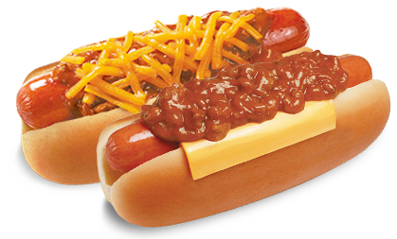

Data
Charts
Investment

Data
Menu

 |  | Profit Margin | Total |  | Profit Margin (%) | 300
Buns | HK$0.20 | $ 0.60 | $ 2.00 |  | Tax | 0
Sausages | HK$0.30 | $ 0.90 | $ 1.20
Ketchup | HK$0.10 | $ 0.30 | $ 0.40
Mustard | HK$0.10 | $ 0.30 | $ 0.40
Chips | HK$0.15 | $ 0.45 | $ 0.60
Tomatoes | HK$0.10 | $ 0.30 | $ 0.40

 | Total Costs | Total Profit | Total Price
 | HK$0.95 | $ 2.85 | $ 5.00

Jan | Feb | Mar | Apr | May | Jun | Jul | Aug | Sep | Oct | Nov | Dec

Charts
Menu

Investment of Profits (%)

Investment
Menu
 |  |  | Price | Profit | Sales | Total Profit
 |  |  | HK$5.00 | HK$2.85 | 100 | HK$285.00

 | % of profits | Amount
Advertising | 20 | HK$57.00
Wages | 55 | HK$156.75
R&D | 10 | HK$28.50
Petty Cash | 15 | HK$42.75
Other
Other
 | 100 | HK$242.25

